Sheet1
Lab | 14 |  |  | CCSU - School of Engineering & Technology
Name: | Van Nguyen |  |  |  | CET 453 | Microcomputers

Subroutines and Stack Usage

Lab Goal

 | Understand the effect of subroutines and the use of the stack.

Instructions/Questions:
1
 | Open Lab 14.eww workspace and project
2
 | Begin editting asm.s43 in the project.
3
 | From the Menu select View -> Stack
4
 | Indicate the values of the following registers
 | Immediately before executing the CALL #THESUB instruction

 |  | PC | SR | SP
 |  | 0xF82C | 0x0008 | 0x0280

 | Immediately after executing the CALL #THESUB instruction
 | Show stack values as 16-bit values

 |  | PC | SR | SP | 0(SP)
 |  | 0xF83A | 0x0008 | 0x027E | 0xF830 | ( Value on the top Stack )

Was the address stored in the stack the same as the value in the PC before executing
 | the call instruction? Why/why not?

No, It was not the same.

Because the stack (LIFO) is used for temporary variables, and only used for purpose
" return addresses". So when a subroutine is called ( CALL instruction ) the CPU must jump
to the subroutine, execute the code there, and finish by returning to the instruction
after the call (this is done with a stack)

¶

5
 | Indicate the values of the following registers

 | Immediately before executing the RET instruction

 |  | PC | SR | SP
 |  | 0xF84A | 0x000C | 0x027E

 | Immediately after executing the RET instruction
 | Show stack values as 16-bit values

 |  | PC | SR | SP | 0(SP)
 |  | 0xF830 | 0x0280 | 0x027E | 0x0220 | ( Value on the top Stack )

6
Allow the code to run for a short time by pressing the "GO" button, the led will blink very rapidly.
Press the "BREAK" button.
The value of R4 will now contain the number of times the loop was run as it is incremented
each time through the loop.
Study the code of the THESUB routine. The instructions change the contents of R4 at certain points.

Does this routine corrupt the number of loop counts?

 | No, It does not .

Explain why/why not by detailing the effects of the relavent sections of code and prove
it by single stepping through the code.

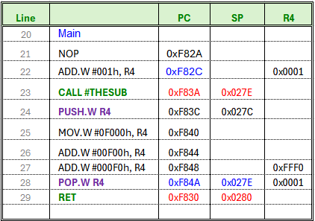
Because at first loop main
ADD.W #001h, R4 (line 22)
increment loop counter for main loop
CALL and PUSH
same as save data/adress in stack
RET and POP
same as restore / return adress from stack

The stack (LIFO) is used as temporary variables, so the code of the
THESUB routine (instructions) will not corrupt the number of loop counts of R4 .

¶

7
 | Set a breakpoint on line 49 (XOR.B #001h,&P1OUT) and run the program.

 | When the debugger stops at this line of code an interrupt has just occurred.

 |  | Show stack values as 16-bit values

 | PC | SR | SP | 0(SP) | 2(SP)
 | 0xF854 | 0x0005 | 0x0278 | 0x000C | 0xF848

 | Indicate the values of the following registers

 | Explain the contents of the stack locations

0(SP) is address to use the word (2 bytes) at the top for the innermost of little loop counter,
The value of pointed to by the stack pointer (SP) is 0x000C

2(SP) is located in the second word (4 bytes) , used for the big loop counter
at next location down the stack (SP + 2), with the value is 0xF848

8
 | Step through and execute the RETI instruction.

 | Indicate the values of the following registers

 | PC | SR | SP
 | 0xF848 | 0x000C | 0x027C

&

